Introduction
Introduction

Acknowledgement

 | This Excel-tool - the DRIVER+ CoE Assessment Tool - has been developed in FP7 project DRIVER+

 |  | Version: | 1.0
 |  | Date: | 12 March 2020
 |  | Authors: | Marcel van Berlo, Lisette de Koning, Tineke Hof and Dirk Stolk (TNO)
 |  |  | Agnese Macaluso and David Regeczi (Ecorys)

 | The DRIVER+ project leading to these results has received funding from the European Union’s Seventh Framework Programme for research, technological development and demonstration under the Grant Agreement No 607798. The information and views set out in this document are those of the authors and do not necessarily reflect the official opinion of the European Union.
 | Neither the European Union institutions and bodies nor any person acting on their behalf may be held responsible for the use which may be made of the information contained therein.

Objective

 | This toolkit provides organisations interested in becoming a DRIVER+ Centre of Expertise (CoE) with guiding tools they can use to develop a roadmap customised to their case. In particular, this toolkit proposes to follow a process based on three stages: Orienting & Positioning, Shaping & Implementing, Performing & Evaluating. The approach is based on the Strategy Realisation Model, a structured and integral approach for organisational transitions and performance improvement. The original Model consists of three stages: Positioning, Forming and Performing. More specifically, the three stages (or phases) help organisations to:
 | 1. | Decide whether it wants to take up DRIVER+ products, and if so, to decide on which products (Orienting & Positioning)
 | 2. | Undertake preparatory steps for becoming a Centre of Expertise, up to the point of formal establishment as a CoE (Shaping & Implementing)
 | 3. | Perform activities as a CoE, evaluate performance versus expectations, and considering whether/which adjustments are necessary (Performing & Evaluating)
 | These stages are indicative and non-binding and each organisation will undergo its own journey toward becoming a DRIVER+ CoE. The pathway to become a CoE depends on the local context and specific features of the organisation, the national and institutional context, ambition and resources at their disposal, as well as the network of organisations they would work in partnership with and support.
 | The business model canvas (BMC; Osterwalder & Pigneur, 2010) is a useful tool to support organisations in proceeding through the three stages. Depending on the context in which the potential CoE operates, it is sensible to adapt the use of the BMC to the CM domain, also from a language perspective. Therefore it is advisable to change terms such as “costumers” with “users”. Below a short description of the building blocks of the BMC in more detail and how each one of them can be made relevant to the DRIVER+ context and the CoE research.

Functionalities
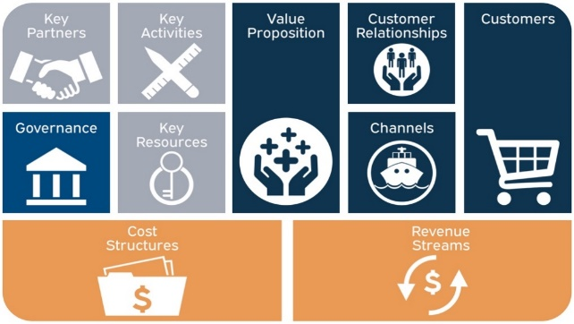
 | This interactive toolkit supports organisations during the three stages of becoming a Centre of Expertise. This Excel-based tool is developed and implemented in such a way it can be used as a self-assessment tool. The answers to the questions can be rated by the organisation itself on a five point scale. Based on these ratings, the CoE toolkit gives an assessment for stages 1 and 2. For stage 3 this toolkit provides guiding questions.

 | This toolkit is based on the business model canvas (BMC; Osterwalder & Pigneur, 2010). This model, that consists of building blocks, has been adapted to the use in the crisis management domain. For each building block guiding questions and suggestions have been formulated, which the user assists in performing a self-assessment of his/her organisation.

Property and use

 | © 2020 This DRIVER+ CoE Assessment Tool is the property of TNO and Ecorys. All rights relevant to the use of this tool are determined by the license scheme: Creative Commons Attribution-NonCommercial 4.0 International. For more details, see: https://creativecommons.org/licenses/by-nc/4.0/
 | You are free to share (copy and redistribute the material in any medium or format) and adapt (remix, transform, and build upon the material). You must give appropriate credit, provide a link to the license, and indicate if changes were made. You may do so in any reasonable manner, but not in any way that suggests the licensor endorses you or your use. You may not use the material for commercial purposes. You may not apply legal terms or technological measures that legally restrict others from doing anything the license permits.

 |  | Points of contact: | mailto:lisette.dekoning@tno.nl
 |  |  | mailto:agnese.macaluso@ecorys.com

DRIVER+ Centre of Expertise Assessment Tool

